BOM
Item | Part Number | Thumbnail | QTY | Stock Number | Description | REV
1 | Top_Rail_Section | 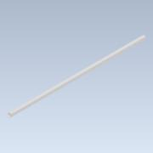 | 3
2 | MagnetActuatorHolder | 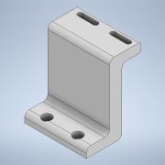 | 1
3 | 59145_Sensor | 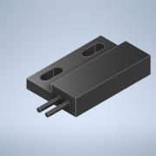 | 1
4 | 7959K23_1 2 Width MXL Series No. Ll050mxl Timing Belt_20ft | 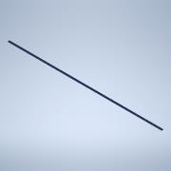 | 1 |  | STEP AP203 | ANY
5 | CableChain_Holder | 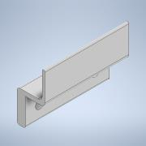 | 10
6 | YAxis_Carriage | 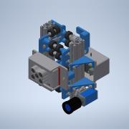 | 1
7 | 17mmBeltGuide | 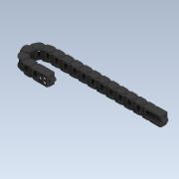 | 1
8 | 7959K23_1 2 Width MXL Series No. Ll050mxl Timing Belt_small | 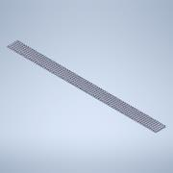 | 1 |  | STEP AP203 | ANY

